Check-list for Critical path
Project: Calculator for us (application - Calc.exe)
Critical path Check-list | Windows 10 | Windows 7 | Windows XP
Start the app by selection the item “Open” in context menu dialed by right-click mouse operation.
Close the app by selection the item “Close” in context menu dialed by right-click mouse operation.
Close the app by selection sub-item “Exit” item “File” in drop-down menu dialed by clicking the button “Menu” in the app’s window.
The operability of the available buttons in simple mode.
The operability of the available buttons in scientific mode.
The mathematical action - addition.
The mathematical action - subtraction.
The mathematical action - multiplication.
The mathematical action - division. |  |  |  | Yes, Святослав Куликов says that it smoke test. Sorry, but I don’t think so now (a customer don’t create the Calculator with an aim of dividing by zero).
The dividing by 0 (zero). (Krystsina look to the right of the table, please) |  |  |  | Or is it a generally accepted fact?
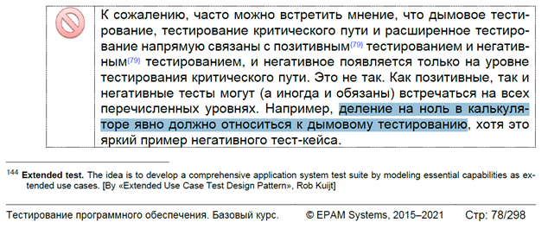
The mathematical action - squaring.
The mathematical action - square root extraction.
The square root extraction from negative number.
Ten different mathematical actions in a row (e.g.: 7+14-236÷8...).
Start two copy of the app at the same time.
Paste the number to the input/output field from exchange buffer.
Copy the number from the input/output field to exchange buffer.
Cut the number from the input/output field to exchange buffer.
Insert invalid symbols into the input/output field from the exchange buffer.
Enter invalid symbols into the input/output field with the PC’s keyboard.
The mathematical action - addition with double pressing on button of action.
The mathematical action - subtraction with double pressing on button of action.
The mathematical action - multiplication with double pressing on button of action.
The mathematical action - division with double pressing on button of action.
The mathematical action - squaring with double pressing on button of action.
The mathematical action - square root extraction with double pressing on button of action.
Make a mathematical action with two numbers and for getting a result press twice on button of getting result.

